Worksheet
Sum of Total Sales | Sum of Operating Profit | Sum of Units Sold | Average of Operating Margin
8684027.5 | 3173631.875 | 17148250 | 0.36310442387

Row Labels | Sum of Total Sales
Jan | $510,750
Feb | $484,975
Mar | $483,530
Apr | $494,888
May | $673,573
Jun | $903,838
Jul | $1,041,438
Aug | $945,275
Sep | $681,000
Oct | $623,375
Nov | $795,613
Dec | $1,045,775
Grand Total | $8,684,028

Row Labels | Sum of Units Sold |  | States | Units Sold
Alabama | 408500 |  | Alabama | 408,500
Alaska | 312250 |  | Alaska | 312,250
Arizona | 331500 |  | Arizona | 331,500
Arkansas | 255350 |  | Arkansas | 255,350
California | 1037250 |  | California | 1,037,250
Colorado | 324250 |  | Colorado | 324,250
Connecticut | 169600 |  | Connecticut | 169,600
Delaware | 205600 |  | Delaware | 205,600
Florida | 1051700 |  | Florida | 1,051,700
Georgia | 579350 |  | Georgia | 579,350
Hawaii | 353500 |  | Hawaii | 353,500
Idaho | 288250 |  | Idaho | 288,250
Illinois | 185600 |  | Illinois | 185,600
Indiana | 241600 |  | Indiana | 241,600
Iowa | 183100 |  | Iowa | 183,100
Kansas | 180600 |  | Kansas | 180,600
Kentucky | 363350 |  | Kentucky | 363,350
Louisiana | 412250 |  | Louisiana | 412,250
Maine | 172600 |  | Maine | 172,600
Maryland | 241600 |  | Maryland | 241,600
Massachusetts | 241600 |  | Massachusetts | 241,600
Michigan | 280350 |  | Michigan | 280,350
Minnesota | 156850 |  | Minnesota | 156,850
Mississippi | 309350 |  | Mississippi | 309,350
Missouri | 316350 |  | Missouri | 316,350
Montana | 328000 |  | Montana | 328,000
Nebraska | 136350 |  | Nebraska | 136,350
Nevada | 324000 |  | Nevada | 324,000
New Hampshire | 238850 |  | New Hampshire | 238,850
New Jersey | 223600 |  | New Jersey | 223,600
New Mexico | 313500 |  | New Mexico | 313,500
New York | 1125200 |  | New York | 1,125,200
North Carolina | 399350 |  | North Carolina | 399,350
North Dakota | 184100 |  | North Dakota | 184,100
Ohio | 203600 |  | Ohio | 203,600
Oklahoma | 237350 |  | Oklahoma | 237,350
Oregon | 346750 |  | Oregon | 346,750
Pennsylvania | 165600 |  | Pennsylvania | 165,600
Rhode Island | 198850 |  | Rhode Island | 198,850
South Carolina | 507350 |  | South Carolina | 507,350
South Dakota | 180600 |  | South Dakota | 180,600
Tennessee | 427750 |  | Tennessee | 427,750
Texas | 1014250 |  | Texas | 1,014,250
Utah | 310750 |  | Utah | 310,750
Vermont | 256850 |  | Vermont | 256,850
Virginia | 403350 |  | Virginia | 403,350
Washington | 348750 |  | Washington | 348,750
West Virginia | 154600 |  | West Virginia | 154,600
Wisconsin | 205850 |  | Wisconsin | 205,850
Wyoming | 310750 |  | Wyoming | 310,750
Grand Total | 17148250

Dashboard
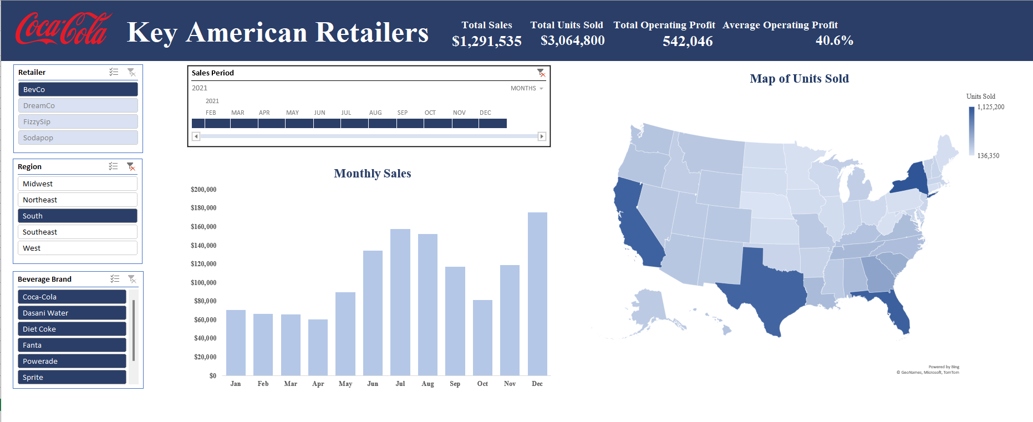
Key American Retailers |  | Total Sales | Total Units Sold | Total Operating Profit | Average Operating Profit
 |  | $8,684,028 | $17,148,250 | 3,173,632 | 36.3%

Monthly Sales
 | Total
Jan | $510,750
Feb | $484,975
Mar | $483,530
Apr | $494,888
May | $673,573
Jun | $903,838
Jul | $1,041,438
Aug | $945,275
Sep | $681,000
Oct | $623,375
Nov | $795,613
Dec | $1,045,775

 | SCREENSHOT OF THE DASHBOARD

